Bugs Report
Defect ID | Defect Title | Steps to reproduce | Severity | Screenshot
1 | Title of login Form is incorrect | 1. Open URL: https://demo.applitools.com/hackathonV2.html 2. Title of login form is "Logout Form". Expected value: It should be "Login Form" | Low | 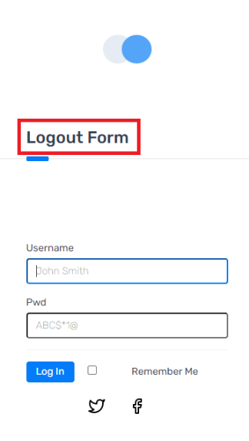
2 | Place holder of the field Username is incorrect | 1. Open URL: https://demo.applitools.com/hackathonV2.html 2. The place holder of the field Username "John Smith" is incorrect. Expected value: It should be "Enter your username" | Low | 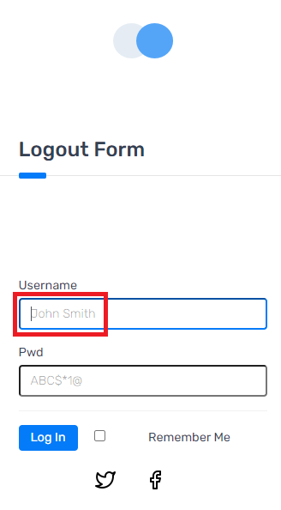
3 | Place holder of the field Password is incorrect | 1. Open URL: https://demo.applitools.com/hackathonV2.html 2. The place holder of the field Password "ABC$*1@" is incorrect. Expected value: It should be "Enter your password" | Low | 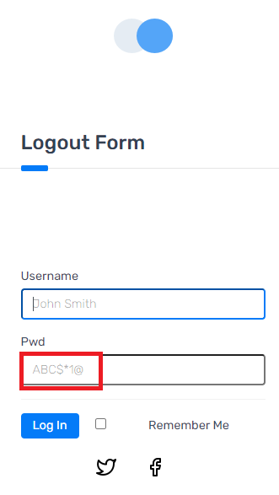
4 | Name of the field Password is incorrect | 1. Open URL: https://demo.applitools.com/hackathonV2.html 2. The name of the Password field "Pwd" is incorrect. Expected value: It should be "Password" | Low | 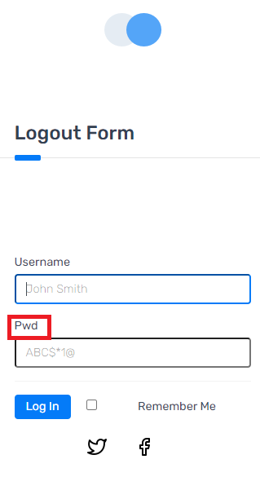
5 | Icons of Username and Password fields are not shown | 1. Open URL: https://demo.applitools.com/hackathonV2.html 2. The icons of Username and Password fields are not shown. Expected value: Both icons should be visible next tho the respective fields | Cosmetic | 